Instructions - Single Church
Instructions for Clergy/Church TAC Clergy Comp Fillable Form (CCFF) - Single Church
The TAC Clergy Comp Fillable Form (CCFF) will be used by the TAC Beneﬁts Oﬃce as the oﬃcial clergy compenation form for collection of monthly GHB and Pension Beneﬁts contributions eﬀective 1/1/2024.
1. Complete the Clergy Comp Fillable Form for each clergy appointment. 2. Once the Clergy Comp Fillable Form is signed by the pastor and a church representative, submit the Clergy Comp Fillable Form as a Excel file to your District Oﬃce via email. Please note that an electronic signature is accepted and has been integrated into the CCFF under the Signature Section. 3. The District Oﬃce will then review and sign your Clergy Comp Fillable Form electronically. 4. After the Clergy Comp Fillable Form is signed by the pastor, a church representative and the District oﬃce, the District Administrator will submit the Clergy Comp Fillable Form in an Excel file to the TAC Beneﬁts Staﬀ for their review and retention.
The Clergy Comp Fillable Form has a color key at the top right corner in order to understand what ﬁelds are ﬁllable and which ones are not.
Here are the color keys:

Clergy Comp Fillable Form(CCFF) Single Church Instructions
Church Section

Clergy Section

Complete the church and clergy information on the green boxes. 1. The font size in the dropdown box is tiny due to excel limitations, but you can zoom the page to increase the font size. 2. Conference Relationships can be selected by the dropdown box or by typing the exact acronym (i.e., AM, FE, FL, PL) in the blue box: AM – Associate Member FD – Deacon in Full Connection PD – Provisional Deacon FE – Elder in Full Connection PE – Provisional Elder FL – Full Time Local Pastor PL – Part Time Local Pastor OA – Associate of Other Conference OD – Deacon Member of Other Conference or Methodist Denomination OE – Elder Member of Other Conference or Methodist Denomination OF – Other Non-Methodist Denomination RA – Retired Associate Member RD – Retired Deacon Full Connection RE – Retired Elder RL – Retired Local Pastor OR – Retired Member of Other Conference CLM – Certiﬁed Lay Minister LS – Lay Supply SY – Supply
3. Atending School will only be selected and answered if the conference relationship is FL-SS, PL-SS, FL-US, or PL-US. Select either Seminary or Undergraduate as applicable. As a reminder, total appointment time for these conference relationships is the total of the clergy’s scheduled class hours and church work hours each week. 4. Select the Total Appointment Time from the dropdown box. Fractions are used instead of percentages as follows: Full-Time (100%), ¾ (75%), ½ (50%), ¼ (25%), and less than 1/4 (12.5%).
Compensation Section
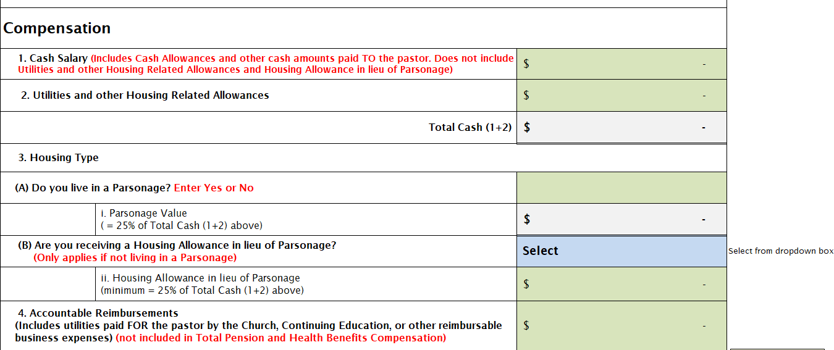
The clergy or church payroll administrator completes the green boxes in this section.
1. Cash Salary (Includes Cash Allowances and other cash amounts paid TO the pastor. Does not include Utilities and other Housing Related Allowances and Housing Allowance in lieu of Parsonage) 2. Utilities and other Housing Related Allowances The sum of Cash Salary (1) and Utilities and Housing Related Allowances (2) equals Total Cash.
3. Housing Type (A) The clergy answers the question, “Do you live in a Parsonage?” by entering Yes or No in the green box. If “Yes”, the parsonage value will be automatically displayed in the gray box. (B) If the answer to the question “Do you live in a Parsonage” is “No”, then the clergy will answer: “(B) Are you receiving a Housing Allowance in lieu of Parsonage” by selecting “Yes – Enter Amount Below” from the blue dropdown box and entering the housing allowance amount in the green box. 4. Accountable Reimbursements (Includes utilities paid FOR the pastor by the Church, Continuing Education, or other reimbursable business expenses) (not included in Total Pension and Health Beneﬁts Compensation)
Total Compensation amounts will automatically display in the gray boxes as shown above.
2024 Minimum Salary ($500 increase from 2023 levels):
FE, FD, AM, PE, PD, OE, OD, OA, OF, OPD, OPE $44,500 FL $38,500 FL-SS $35,500 FL-US $32,500
Church Beneﬁts Contribution Section

The Church annual and monthly Pension and Health Beneﬁts Contribution amounts will automatically be displayed in the appropriate gray boxes above. You can view the Benefits Calculator on this file to view the clergy's Section 125 amounts.
Signature Section

The CCFF needs to be signed and dated by the pastor, a church representative and the DAA before submiting to TAC Beneﬁts Staﬀ. Please note that an electronic signature is accepted.
Please submit the CCFF in an Excel File to the Disctrict Office. Please SAVE the entire Excel file to your computer by going to "File" at the top left corner, and then click SAVE.

Rev. 11-28-2023

